Home


 |  | Go to Julian day calculator

 |  | Go to Koc ↔ Kom converter

International Centre for Pesticide and Healt Risk Prevention |  | Go to Molecular weight calculator
University Hospital Luigi Sacco
Via G.B. Grassi, 7420157 Milano, Italy
www.icps.it |  | Go to Transform. Rate PELMO
infoicps@icps.it

 |  | Go to Metabolite application rate

E-Fate Tools collection
 |  | Go to texture class calculator (USDA)
Tool Developer: | Alessio Ippolito
Contact: | alessio.ippolito@icps.it

Texture
 |  |  |  |  | USDA Texture calculator

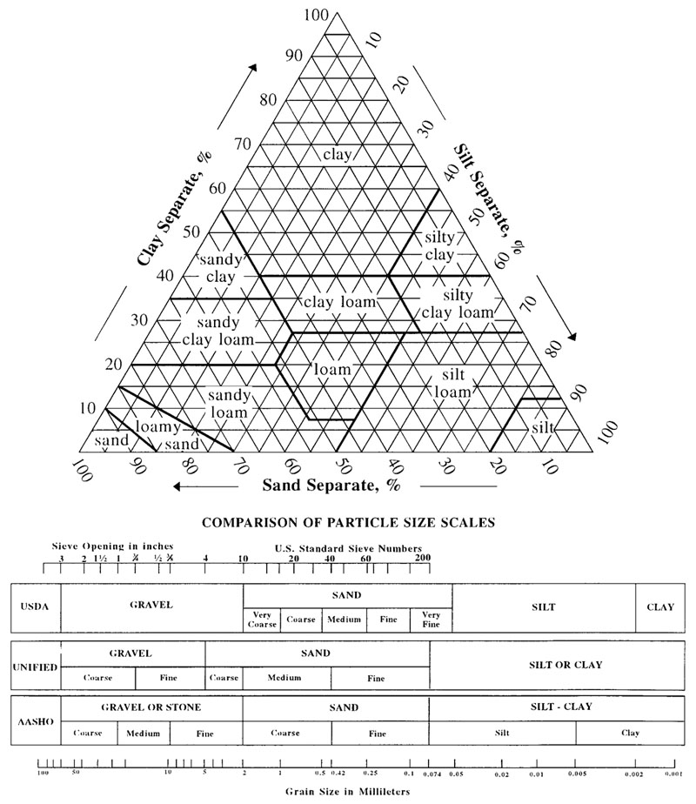
 | Clay %
35 | 40
1000 | 0
1000 | 0
1000 | 0
1000 | 0

 | Sand % | Clay % | Silt % | Color
 | 45 | 40 | 15 | •

x | y
35 | 40
1000
1000
1000
1000

